Product Backlog
 | PRODUCT BACKLOG

ID | ITEM | OWNER | PRIORITY | EFFORT | STATUS | DEFINITION OF DONE | NOTES
1 | Customer Account Creation | Josiah | medium | medium | Not started | Customer's can create an account
2 | Customer Login | Josiah | medium | low | Not started | A customer can log into an account that they have created
3 | Publisher Account Creation | Josiah | high | medium | Not started | A publisher can create an account
4 | Publisher Login | Josiah | high | low | Not started | A publisher can log into an account that they have created
5 | Admin CSV report download | Josiah,dichen | low | high | Not started | An admin can download reports on various data in a CSV format
6 | Search book by filter | David | high | low | Not started | Customers can search for a book using various filters (ISBN, name, author or category | SP = 10
7 | Add book review | David | low | low | Not started | A customer can add their own review for a specific book
8 | Administrator account login | Rhys | high | medium | Not started | An admin can log in to the system
9 | Review current and previous transaction history | Rhys | medium | high | Not started | A customer can review current and previous transaction histories
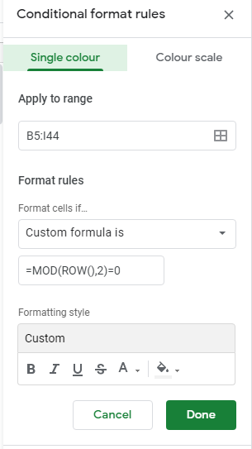
10 | View the book cover and contents page | Rhys | high | low | Not started | A customer can view a PDF with the cover page and contents page for each book
11 | Customer PayPal API transaction | dichen | medium | high | not started | Customer will able to access the pay page
12 | Transaction by customer can be cancel at first 2 hours | dichen | low | medium | not started | The system will be able to access the pay after 2 hours,before that time, Customer will able to regret
13 | Admin and Customer can track the transaction | dichen | low | high | not started | have page that administrator will able to track the transcation and have permission to cancel it
14 | As any account type, change a forgotten password | Rhys | low | high | not started | Any account type can press forget password and be presented with an option to change their password
15 | Publisher adds a book to the database | Rhys | high | low | not started | A publisher can add a book to the database
16 | Customer can purchase a book | Josiah | medium | medium | not started | A customer can successfully pay for an order a book
17 | Admin can remove a book from the database |  | high | medium | not started | An admin can click a delete button and a book will be wiped from the database
18 | Publisher can view the books which has been purchased by customers |  | medium | medium | not started | Publishers can view a list of the past transactions on a particular book they sell
19 | When changing password, an email is sent with a otp (6 digit) to confirm the identity of the user |  | low | high | not started | After requesting a password reset a user will be emailed a 6 digit OTP
20 | Admin can remove / approve new accounts |  | high | medium | not started | Admins can accept or deny publisher account creation requests successfully
21 | Customer will able to cancel their account | dichen | medium | low | not started | customer will able to cancel their account/e-mail. remove all the info about the customer
22 | view list of books, with search by filter | Rhys | high | high | not started | Any account should be able to view the complete library of books which is updated when a new book is added | SP = 15
23 | Admin account login | Rhys | high | low | not started | An admin can log into their account
24
25 | yellow for dichen
26 | red for josiah
27 | purple for rhys
28 | green for david
29 | NAME HIGHLIGHTED == USER STORY
30 | TASK HIGHLIGHTED == WIREFRAME
31 | name highligighted + test
32
33
34
35
36
37
38
39
40

